Intro
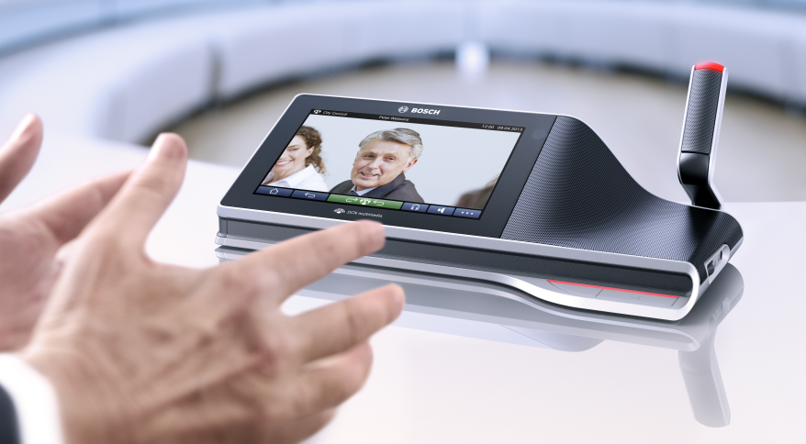
DICENTIS Power Calculation Tool
Version | 2.05
Date | 2018-09-20

Start

Click the hyperlink of either meters or feet to enter the calculation sheet.
Enter the required cable length and the calculation will show you in red if the cable is too long.
Clearing the cable length cell will remove the complete line
Have fun using this tool.

Calculate
Change to Feet
Device | Cable length (m) between 2-99 | Device type
1 | 2
2 | 2 | DCNM-MMD
3 | 2 | DCNM-IDESKVID
4 | 2 | DCNM-IDESKVID
5 | 2 | DCNM-IDESKVID
6 | 2 | DCNM-IDESKVID
7 | 2 | DCNM-IDESKVID
8 | 2 | DCNM-IDESKVID
9 | 2 | DCNM-IDESKVID
10 | 2 | DCNM-IDESKVID
11 | 2 | DCNM-IDESKVID
12 | 2 | DCNM-IDESKVID
13 | 2 | DCNM-IDESKVID
14 | 2 | DCNM-IDESKVID
15 | 2 | DCNM-IDESKVID
16 | 2 | DCNM-IDESKVID
17 | 2 | DCNM-IDESKVID
18 | 2 | DCNM-IDESKVID
19 | 2 | DCNM-IDESKVID
20 | 2 | DCNM-IDESKVID
21 | 2 | DCNM-IDESKVID
22 | 2 | DCNM-IDESKVID
23 | 2 | DCNM-IDESKVID
24 | 2 | DCNM-IDESKVID
25 | 2 | DCNM-IDESKVID
26 | 2 | DCNM-IDESKVID
27 | 2 | DCNM-IDESKVID
28 | 2 | DCNM-IDESKVID
29 | 2 | DCNM-IDESKVID
30 | 2 | DCNM-IDESKVID
31 | 2 | DCNM-IDESKVID
32 | 2 | DCNM-IDESKVID
33 | 2 | DCNM-IDESKVID
34 | 2 | DCNM-IDESKVID
35 | 2 | DCNM-IDESKVID
36 | 2 | DCNM-IDESKVID
37 | 2 | DCNM-IDESKVID
38 | 2 | DCNM-IDESKVID
39 | 2 | DCNM-IDESKVID
40 | 2 | DCNM-IDESKVID

